Foglio1 (10)
Ref URL | https://edh-www.adw.uni-heidelberg.de/edh/inschrift/HD004396
ID | HD004396
Alt IDs?
Object Type? | stele
Material | limestone: rocks - clastic sediments
Language | latina
Date | 71 AD – 100 AD
Inscription Type | epitaph
Image URLs | https://edh-www.adw.uni-heidelberg.de/digilib/Scaler/IIIF/f004361.tif/full/full/0/default.png
 | 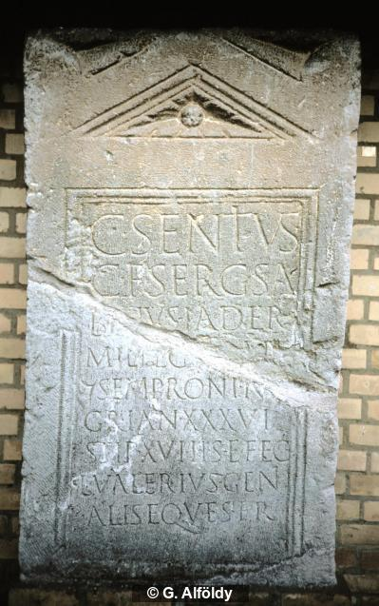
Interpretive | C(aius) Sentius
 | C(ai) f(ilius) Serg(ia) Sa/b[i]nus Iader
 | mil(es) leg(ionis) X[V A]p(?)[o(llinaris)]
 | |(centuria) Semproni Ni/gri an(norum) XXXVI
5 | stip(endiorum) XVI h(ic) s(itus) e(st) fec(it)
 | L(ucius) Valerius Geni/alis eques fr(atri?)
Diplomatic? | C SENTIVS
 | C F SERG SA
 | C F SERG SA
 | MIL LEG X[ ]P[ ]
 | | SEMPRONI NI
 | GRI AN XXXVI
 | STIP XVI H S E FEC
 | L VALERIVS GENI
 | ALIS EQVES FR
GEO | 48.114711954,16.879036724

Foglio1
Ref URL | https://edh-www.adw.uni-heidelberg.de/edh/inschrift/HD004432
ID | HD004432
Alt IDs?
Object Type? | altar
Material | limestone: rocks - clastic sediments
Language | Latin
Date | 107 AD – 162 AD
Inscription Type | votive inscription
Image URLs | https://edh-www.adw.uni-heidelberg.de/digilib/Scaler/IIIF/f007390.tif/full/full/0/default.png | https://edh-www.adw.uni-heidelberg.de/digilib/Scaler/IIIF/f035698.tif/full/full/0/default.png | https://edh-www.adw.uni-heidelberg.de/digilib/Scaler/IIIF/f035699.tif/full/full/0/default.png
 | 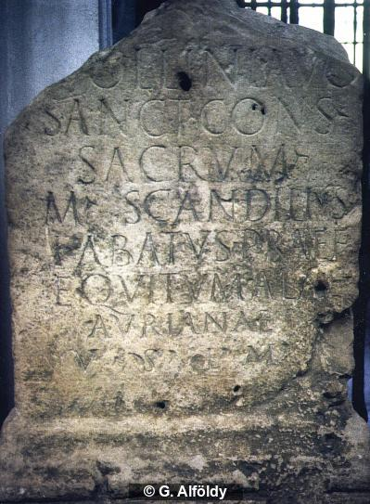
Interpretive | [Ap]ollini Aug(usto)
 | sanct(o) cons(ervatori) sacrum
 | M(arcus) Scandilius
 | Fabatus praef(ectus)
5 | equitum alae
 | Aurianae
 | v(otum) s(olvit) l(ibens) m(erito)
Diplomatic? | [ ]OLLINI AVG
 | SANCT CONS SACRVM
 | M SCANDILIVS
 | FABATVS PRAEF
 | EQVITVM ALAE
 | AVRIANAE
 | V S L M
GEO | 48.647894222,10.820900201

Foglio1 (2)
Ref URL | https://edh-www.adw.uni-heidelberg.de/edh/inschrift/HD004441
ID | HD004441
Alt IDs?
Object Type? | stele
Material | limestone: rocks - clastic sediments
Language | Latin
Date | 179 AD – 300 AD
Inscription Type | epitaph
Image URLs | https://edh-www.adw.uni-heidelberg.de/digilib/Scaler/IIIF/f035406.tif/full/full/0/default.png
 | 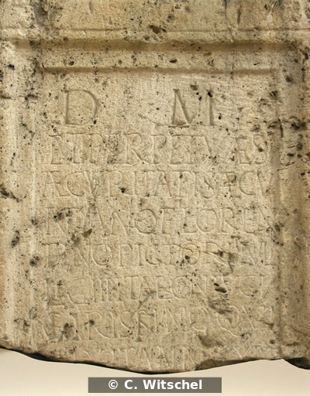
Interpretive | D(is) M(anibus)
 | et perpetuae s
 | aecuri
 | tati(!) Saecu
5 | ndano(!) Floren
 | tino Pictori mil(iti)
 | leg(ionis) III Ital(icae) coniugi
 | carissimo qui
 | vixit annis XLV
 | [------
Diplomatic? | D M
 | ET PERPETVAE S
 | AECVRI
 | TATI SAECV
 | NDANO FLOREN
 | TINO PICTORI MIL
 | LEG III ITAL CONIVGI
 | CARISSIMO QVI
 | VIXIT ANNIS XLV
 | [
GEO | 48.37451,10.897359999

Foglio1 (3)
Ref URL | https://edh-www.adw.uni-heidelberg.de/edh/inschrift/HD004447
ID | HD004447
Alt IDs?
Object Type? | tile
Material | Ton
Language
Date | July 101 AD – 300 AD
Inscription Type | identification inscription
Image URLs | https://edh-www.adw.uni-heidelberg.de/digilib/Scaler/IIIF/f038197.tif/full/full/0/default.png | https://edh-www.adw.uni-heidelberg.de/digilib/Scaler/IIIF/f038198.tif/full/full/0/default.png | https://edh-www.adw.uni-heidelberg.de/digilib/Scaler/IIIF/f038200.tif/full/full/0/default.png | https://edh-www.adw.uni-heidelberg.de/digilib/Scaler/IIIF/f038201.tif/full/full/0/default.png | http://edh-www.adw.uni-heidelberg.de/edh/foto/F038201
 | 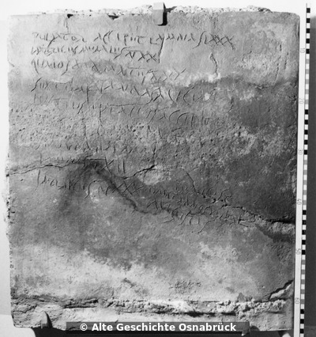 | 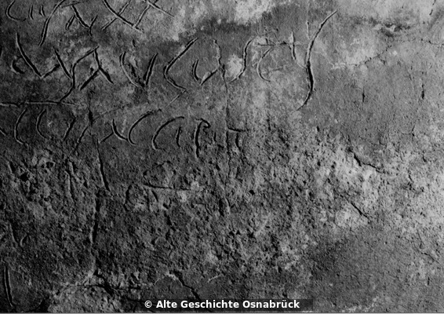 | 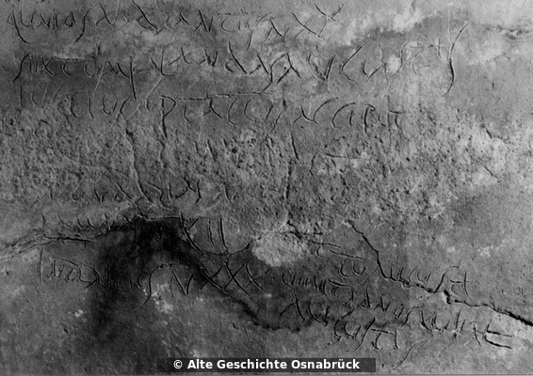 | 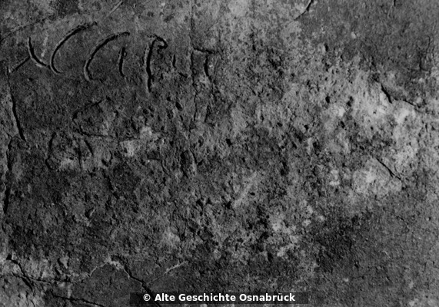 | 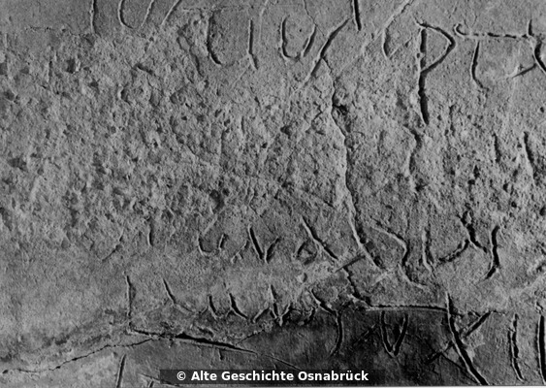
Interpretive | Pulsator accipet(!) lamnas LXXX
 | imbrices murales n(umero) XX
 | qu<in>os dodrantes n(umero) XX
 | sextum Kalandas(!) Augustas
5 | Iustius Optatus accipet(!)
 | [---]A(?)[---]S(?)T(?)[---]
 | se(?)[c]undarias n(umero) [---]
 | lamnas n(umero) XII
 | inbrices(!) n(umero) XXX
 | [--?]ttus Augusti
 | venit ad nos XV Kal(endas)
 | Augustas
Diplomatic? | PVLSATOR ACCIPET LAMNAS LXXX
 | IMBRICES MVRALES N XX
 | QVNIOS DODRANTES N XX
 | SEXTVM KALANDAS AVGVSTAS
 | IVSTIVS OPTATVS ACCIPET
 | [ ]A[ ]ST[ ]
 | SE[ ]VNDARIAS N [ ]
 | LAMNAS N XII
 | INBRICES N XXX
 | [ ]TTVS AVGVSTI
 | VENIT AD NOS XV KAL
 | AVGVSTAS
GEO | 50.449415995,6.8939960002

